Traning Module
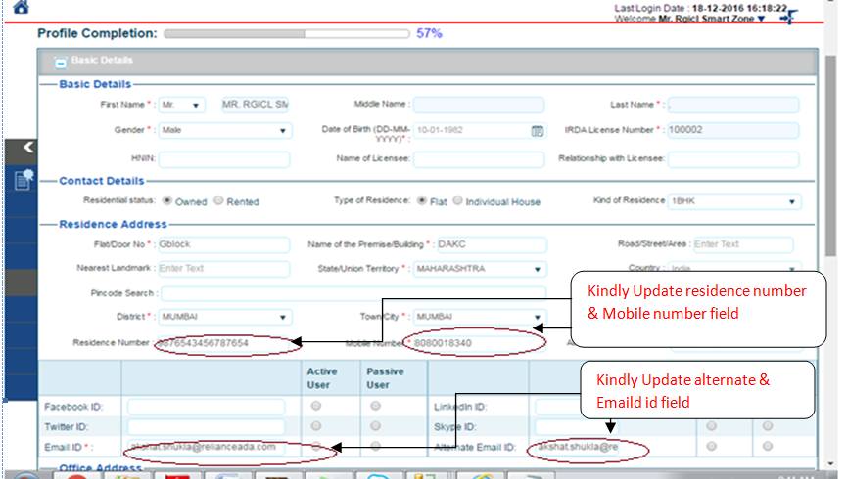
 | Call Desk | Version: 1.0
Traning module - How to Update the New Email Id & Mobile number .

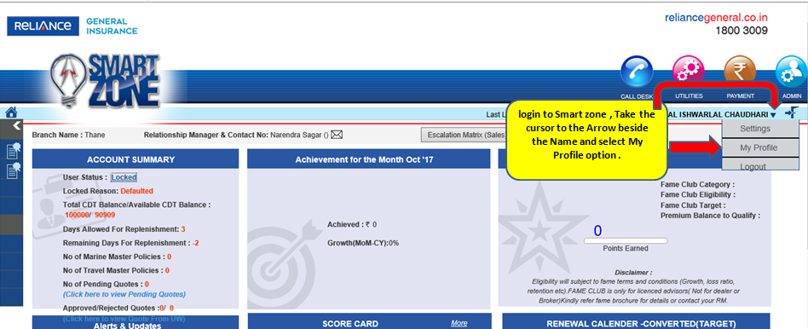

How to update Email id & Mobile number in profile - please follow the print screen below.

